1. Title Page
[Instacart Grocery Basket Analysis]

Project Name: Instacart Grocery Basket Analysis
Date: 27.03.2021
Analyst Name: Kentaro Fujita

Contents:
Population Flow
Consistency checks
Wrangling steps
Column derivations
Visualizations
Recommendations

2. Population Flow
Title page

Population flow

Exclusion flag
Condition: max_order < 5
Obervations to be removed:
Final total count of order_products_all: 30,993,489

Orders_products_combined
Orders_products_merged
Orders_products_all

Total: 32,435,059
Total: 32,434,489
Total:32,435,059

1.) The grey boxes in the first row of the population flow represent the original data sets as they were when you downloaded them. In the Total fields you need to add the count of the rows when you imported the data set into Jupyter.
2.) The second row of boxes (coloured) represents the data sets after you manipulated them, e.g., removed missing values and duplicates. In the Total fields you need to add the count of the rows after conducting these operations. This offers a visual oveview of how the data flows throughout the data consistency checks.
3.) The third row, where also the arrows are coloured, represents the merges you performed between the datasets. In the Total fields you need to add the count of the rows in the merged datasets, so that you end up with the final dataset (in the red box). Keep in mind the final dataset should be without exclusions (based on the exclusion flag).

3. Consistency checks
 |  |  |  | Title page
Consistency checks

Dataset | Missing values | Missing values treatment | Duplicates
orders | 206209 | Missing value is not removed due to data specifications | 0
products | 16 | removed | 5
orders_products_prior | 0 |  | 0
customers | 11259 | Stay same due to data specifications | 0

4. Wrangling steps
 |  |  |  | Title page
Wrangling steps

Columns dropped | Columns renamed | Columns' type changed | Comment/Reason
eval_set |  |  | Unnecessary data
 | order__dow → orders_day_of_the_week
 | n_dependent → Number_of_dependent
 | fam_status → family_status
 |  | order_id → string
First Name |  |  | private data
Surnam |  |  | private data
Age |  |  | private data
family_status |  |  | private data
income |  |  | private data

5. Column derivations
 |  |  |  | Title page

Column derivations and aggregations

In this tab you should add tables below that the frequencies of flags/label variables that you produced after deriving them. NB: don't do this for continuous variables, only for flags.
Dataset | New column | Column/s it was derived from | Conditions
orders_products_merged | price_range | prices | def price_label(row): if row['prices'] <= 5: return 'Low-range product' elif (row['prices'] > 5) and (row['prices'] <= 15): return 'Mid-range product' elif row['prices'] > 15: return 'High range' else: return 'Not enough data'
orders_products_merged | busiest_days | orders_day_of_the_week | result_1 = [] for value in orders_products_merged["orders_day_of_the_week"]: if value == 0: result_1.append("Busiest days") elif value == 1: result_1.append("Busiest days") elif value == 3: result_1.append("Slowest days") elif value == 4: result_1.append("Slowest days") else: result_1.append("Regularly busy")
orders_products_merged | busy_time | order_hour_of_day | orders_products_merged.loc[(orders_products_merged['order_hour_of_day']==0) & (orders_products_merged['order_hour_of_day']>=1) & (orders_products_merged['order_hour_of_day']<=6), 'busy_time'] = 'Fewest orders'orders_products_merged.loc[(orders_products_merged['order_hour_of_day']>=7) & (orders_products_merged['order_hour_of_day']<=8), 'busy_time'] = 'Average orders'orders_products_merged.loc[(orders_products_merged['order_hour_of_day']>=9) & (orders_products_merged['order_hour_of_day']<=16), 'busy_time'] = 'Most orders'orders_products_merged.loc[(orders_products_merged['order_hour_of_day']>=17) & (orders_products_merged['order_hour_of_day']<=22), 'busy_time'] = 'Average orders'orders_products_merged.loc[(orders_products_merged['order_hour_of_day']==23), 'busy_time'] = 'Fewest orders'
orders_products_merged | max_order | order_number | ords_prods_merge['max_order'] = ords_prods_merge.groupby(['user_id'])['order_number'].transform(np.max)
orders_products_merged | loyalty_flag | max_order | ords_prods_merge.loc[ords_prods_merge['max_order'] > 40, 'loyalty_flag'] = 'Loyal customer' ords_prods_merge.loc[(ords_prods_merge['max_order'] <= 40) & (ords_prods_merge['max_order'] > 10), 'loyalty_flag'] = 'Regular customer' ords_prods_merge.loc[ords_prods_merge['max_order'] <= 10, 'loyalty_flag'] = 'New customer'
orders_products_merged | spending_flag | Average_spending | ords_prods_merge['Average_spending'] = ords_prods_merge.groupby(['user_id'])['prices'].transform(np.mean) ords_prods_merge.loc[ords_prods_merge['Average_spending'] < 10, 'spending_flag'] = 'Low spender' ords_prods_merge.loc[ords_prods_merge['Average_spending'] >= 10, 'spending_flag'] = 'High spender'
ords_prods_all | Region | STATE | customer_merged.loc[customer_merged['STATE'] == 'Maine','Region'] = 'Region 1'customer_merged.loc[customer_merged['STATE'] == 'New Hampshire','Region'] = 'Region result = [] for value in customer_merged["STATE"]: if (value == "Maine" or value=="New Hampshire" or value=="Vermont" or value=="Massachusetts" or value=="Rhode Island" or value=="Connecticut" or value=="New York" or value=="Pennsylvania" or value=="New Jersey"): result.append("Northeast") elif (value == "Wisconsin" or value=="Michigan" or value=="Illinois" or value=="Indiana" or value=="Ohio" or value=="North Dakota" or value=="South Dakota" or value=="Nebraska" or value=="Kansas" or value=="Minnesota" or value=="Iowa" or value=="Missouri"): result.append("Midwest") elif (value == "Delaware" or value== "Maryland" or value== "District of Columbia" or value== "Virginia" or value== "West Virginia" or value== "North Carolina" or value== "South Carolina" or value== "Georgia" or value== "Florida" or value== "Kentucky" or value== "Tennessee" or value== "Mississippi" or value== "Alabama" or value== "Oklahoma" or value== "Texas" or value== "Arkansas" or value== "Louisiana"): result.append("South") elif (value == "Idaho" or value== "Montana" or value== "Wyoming" or value== "Nevada" or value== "Utah" or value== "Colorado" or value== "Arizona" or value== "New Mexico" or value== "Alaska" or value== "Washington" or value== "Oregon" or value== "California" or value== "Hawaii"): result.append("West") else: result.append("Not Enough Data") customer_merged['Country_Region'] = result
ords_prods_all | low activity flag | max_order | customer_merged.loc[customer_merged['max_order'] < 5, 'low activity flag'] = 'low-activity customer'customer_merged.loc[customer_merged['max_order'] >= 5, 'low activity flag'] = 'active_customer'
ords_prods_all | Customer_Category | Age,Number_of_dependents | def customer_label(row): if (row['Age'] < 35) and (row['Number_of_dependents'] == 0): return 'Young adult' elif (row['Age'] < 35) and (row['Number_of_dependents'] >= 1): return 'Young parent' elif (row['Age'] >= 35) and (row['Age'] < 55) and (row['Number_of_dependents'] == 0): return 'Middle Adult' elif (row['Age'] >= 35) and (row['Age'] < 55) and (row['Number_of_dependents'] >= 1): return 'Middle Age Parent' elif (row['Age'] >= 55) and (row['Number_of_dependents'] == 0): return 'Old Adult' elif (row['Age'] >= 55) and (row['Number_of_dependents'] >= 1): return 'Old Age Parent' else: return 'Not enough data'
ords_prods_all | income_range | income | def income_label(row): if (row['income'] < 70000): return 'Lower_income' elif (row['income'] >= 70000) and (row['income'] <= 120000): return 'Middle_income' elif (row['income'] > 120000): return 'higher_income' else: return 'Not enough data'

6. Visualizations
 |  |  |  |  |  |  |  | Title page

Visualisations

In this tab you should include all the Visualisations from Exercises 4.9 and 4.10, alongside the questions from the project brief that they answer. Include any commentary on the relationship between different variables.

Question 1 The sales team needs to know what the busiest days of the week and hours of the day are (i.e., the days and times with the most orders) in order to schedule ads at times when there are fewer orders.

At the weekend, the number of order increase. In terms of time, the number of order is higher from 10 am to 4 pm.



 |  | Average number of orders in a week |  |  |  | Average number of order in day

Question 2 They also want to know whether there are particular times of the day when people spend the most money, as this might inform the type of products they advertise at these times.

From 2 am, the average price of the order is dramatically rising.

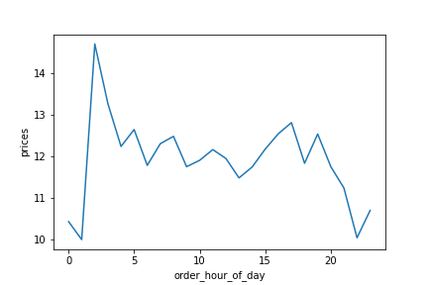
 |  | Average price of order in day

Question 3 Instacart has a lot of products with different price tags. Marketing and sales want to use simpler price range groupings to help direct their efforts.

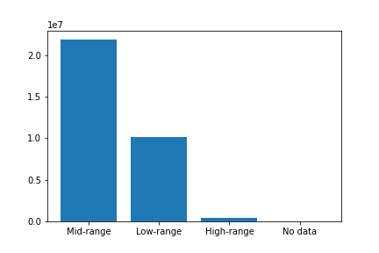
 |  | Number of product sold by the price range

 |  |  |  |  | Low-range Product = under $5

 |  |  |  |  | Mid-range product = between $5 and $15

 |  |  |  |  | High-range Product = Over $15

Question 4 Are there certain types of products that are more popular than others? The marketing and sales teams want to know which departments have the highest frequency of product orders.

Produce products got the most order. Daily egg and snacks are following.

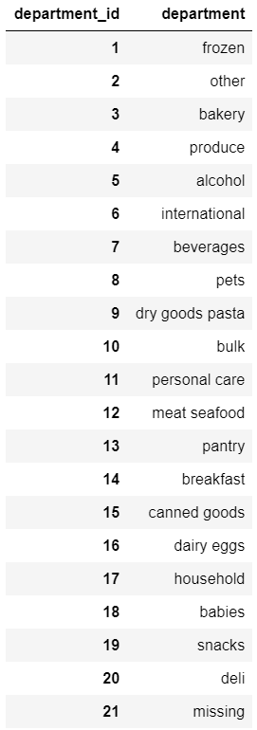
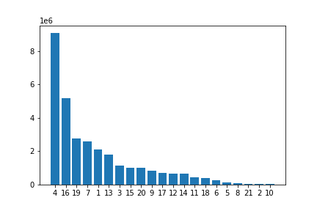
 |  |  | Number of ordered product by department ID

Question 5.1 What’s the distribution among users in regards to their brand loyalty (i.e., how often do they return to Instacart)?

The loyal customer tends to return much earlier than other customer range.

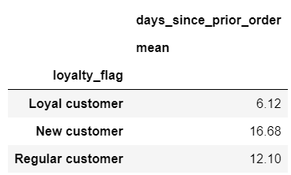
 |  | Average days since prior order by loyalty
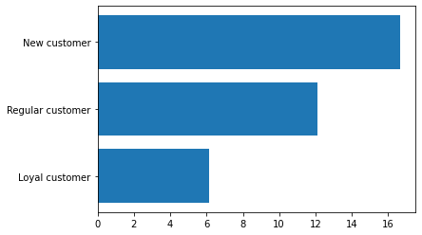

Question 5.2 Are there differences in ordering habits based on a customer’s loyalty status?

There is more order from a regular customer. Still, in terms of placing the order in a week, slightly loyal customers place orders on the slowest days instead of busy days,

 |  | Percentage of day of week of placing order by loyalty customers
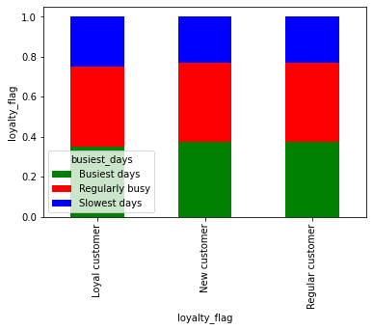
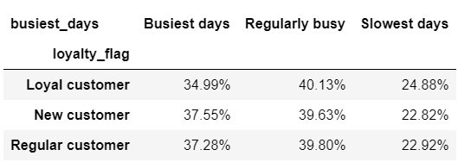

 |  | Number of day of week of placing order by loyalty customers
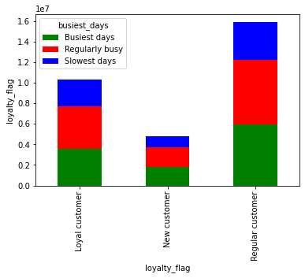

In terms of placing the order habits in a day, there is no specific difference between the customer loyalty.

 |  | Percentage of time of the day of placing order by loyalty customers
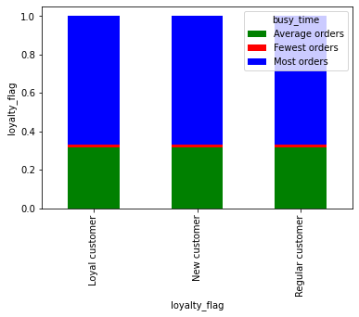

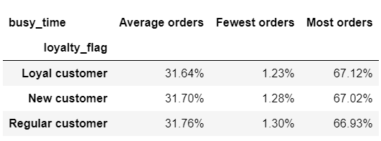

 |  | Number of time of the day of placing order by loyalty customers
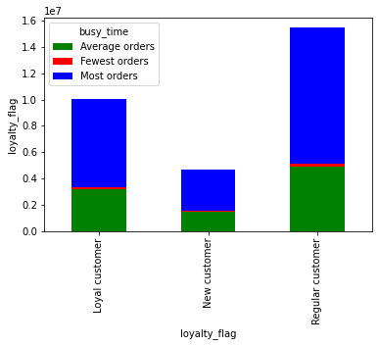

Question 5.3 Are there differences in ordering habits based on a customer’s region?

There is more order from region 3, but there is no specific different habit between areas in terms of placing the order in a week.

 |  | Percentage of day of week of placing order by regions
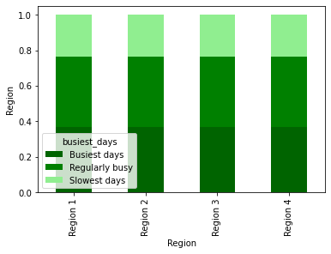

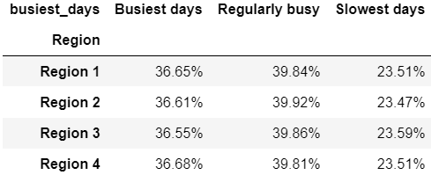

 | Number of day of week of placing order by regions
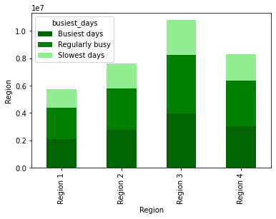

 |  |  |  | Region 1 = Maine, New Hampshire, Vermont, Massachusetts, Rhode Island, Connecticut, New York, Pennsylvania, New Jersey Region 2 = Wisconsin, Michigan, Illinois, Indiana, Ohio, North Dakota, South Dakota, Nebraska, Kansas, Minnesota, Iowa, Missouri Region 3 = Delaware, Maryland, District of Columbia, Virginia, West Virginia, North Carolina, South Carolina, Georgia, Florida, Kentucky, Tennessee, Mississippi, Alabama, Oklahoma, Texas, Arkansas, Louisiana Region 4 = Idaho, Montana, Wyoming, Nevada, Utah, Colorado, Arizona, New Mexico, Alaska, Washington, Oregon, California, Hawaii

In term of ordering time habits, there is no difference between regions.

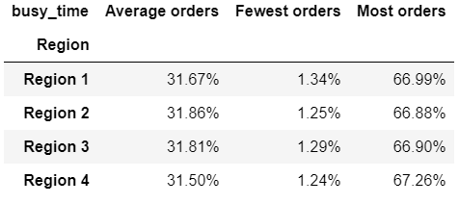
 | Percentage of time of the day of placing order by regions
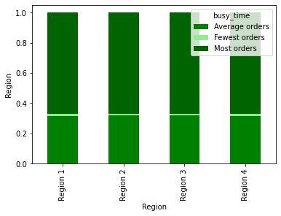

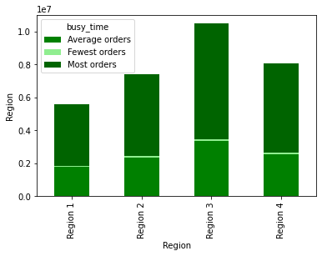
 | Number of time of the day of placing order by regions

Question 5.4 Is there a connection between age and family status in terms of ordering habits?

Old age parent has the highest number of order, Middle age parent and young parent are following. In terms of customer ordering habits, there is no specific difference between them.

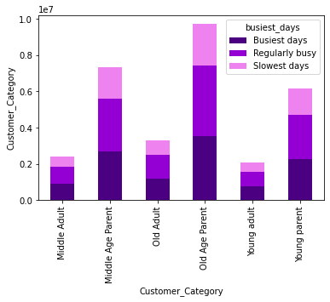
 | Number of day of a week of placing order by customer categories

 |  |  |  |  | Young adult = single, under 35

 |  |  |  |  | Young Parent = more than 1 dependent, under 35

 |  |  |  |  | Middle Adult = single, age between 35 and 55

 |  |  |  |  | Middle age parent = More than 1 dependent age between 35 and 55

 |  |  |  |  | Old adult = single, more than 55 age

 |  |  |  |  | Old parent = more than 1 dependent and age over 55

 | Percentage of day of week of placing order by customer categories
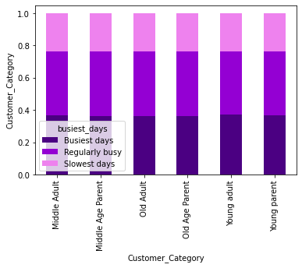

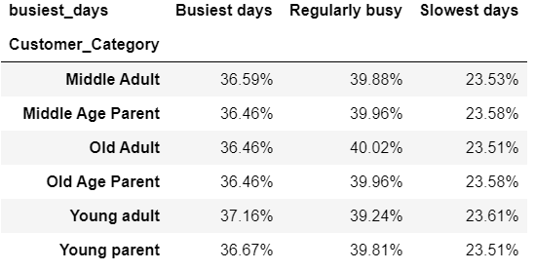

In terms of time placing order habit, there is no specific difference between customer categories.

 | Percentage of time of the day of placing order by customer categories

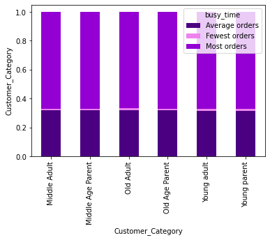
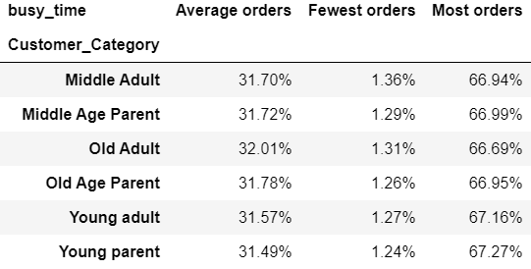

 |  |  |  |  |  |  | p

 | Number of time of the day of placing order by customer categories
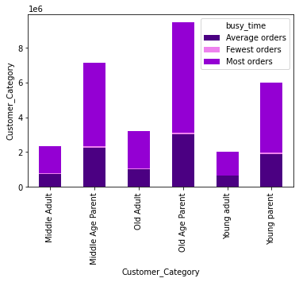

Question 5.5 What different classifications does the demographic information suggest? Age? Income? Certain types of goods? Family status?

 | Percentage of customer category by region

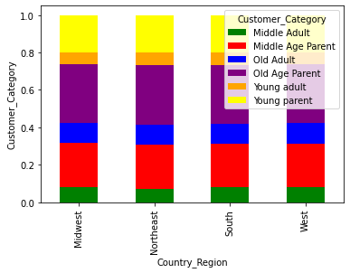
 |  |  |  |  | Northwest = Maine, New Hampshire, Vermont, Massachusetts, Rhode Island, Connecticut, New York, Pennsylvania, New Jersey Midwest = Wisconsin, Michigan, Illinois, Indiana, Ohio, North Dakota, South Dakota, Nebraska, Kansas, Minnesota, Iowa, Missouri South = Delaware, Maryland, District of Columbia, Virginia, West Virginia, North Carolina, South Carolina, Georgia, Florida, Kentucky, Tennessee, Mississippi, Alabama, Oklahoma, Texas, Arkansas, Louisiana West = Idaho, Montana, Wyoming, Nevada, Utah, Colorado, Arizona, New Mexico, Alaska, Washington, Oregon, California, Hawaii

 | The number of customer by region by customer category
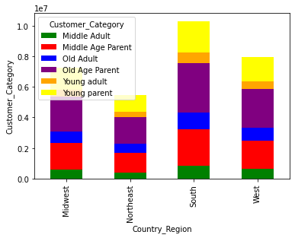

The number of customers is differed by regions as the South is highest. However, the proportion of customer category is almost identical in each area.

 | The percentage of customer by income range by region
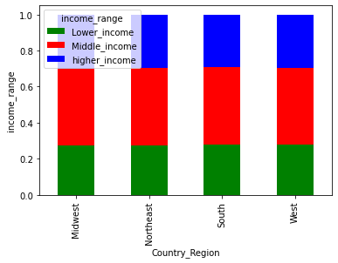

The proportion of customer category is almost identical in each region.

 | The percentage of customer by product department by region

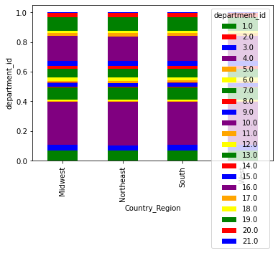

The proportion of product department is almost identical in each region.

Question 5.6 What differences can you find in ordering habits of different customer profiles? Consider the price of orders, the frequency of orders, the products customers are ordering, and anything else you can think of.

The percentage of the price range of purchased product by income range

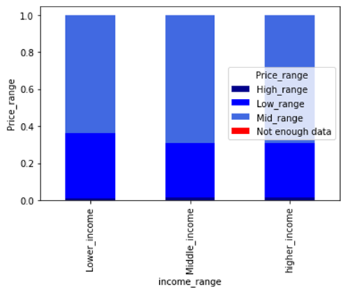

Compared to low-income and middle-income customers, middle-income customer demand more mid and higher range products. However, there is no significant difference in the product demand between Middle and well-paid customers.

There is no difference of ordering habit among different customer profile.

7. Recommendations
 |  |  | Title page

Recommendations

In this tab you should include any recommendations you would made to Instcart in terms of their marketing strategy based on the questions posed in the brief. Every key question has been covered in the Tasks of the Exercises - here you need to add an item - a visualisation or table/cross table that is showing the answer in the data, accompanied by a comment from you. Please, list the questions below and add the answer underneath.

Average number of orders in a week
Average number of order in day
Average price of order in day
Question | Answer | Visualisation
Key Question 1 The sales team needs to know what the busiest days of the week and hours of the day are (i.e., the days and times with the most orders) in order to schedule ads at times when there are fewer orders. | 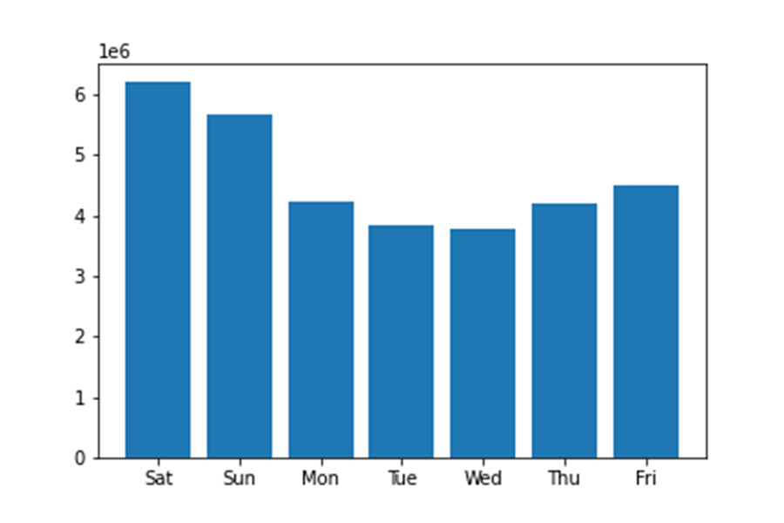 The busy days are Saturday and Sunday, and the active time is from 10 am to 4 pm. I would recommend launching an advert in the morning from Monday or Tuesday when the inactive purchase week. | 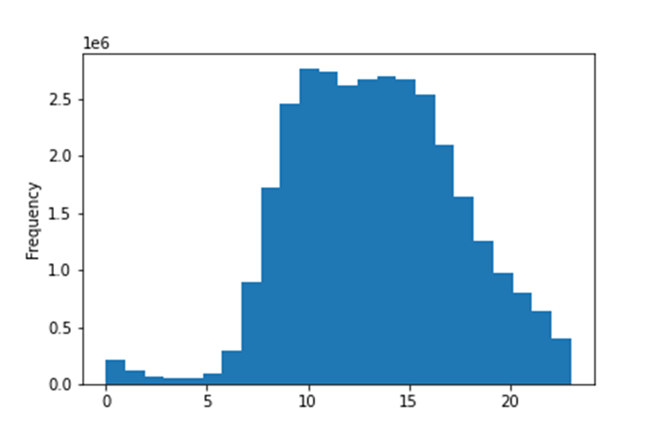
Key Question 2 They also want to know whether there are particular times of the day when people spend the most money, as this might inform the type of products they advertise at these times | The average price of the ordered product dramatically increases around 2 am. I would strongly recommend that sending an email newsletter at night for the customer. | 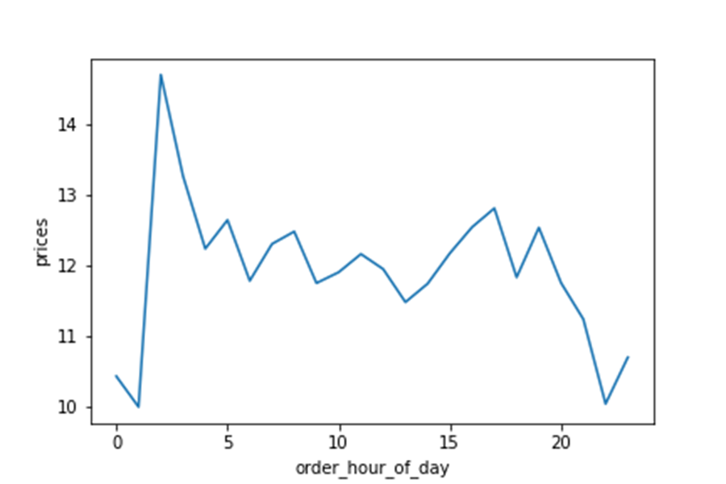
Key Question 3 Instacart has a lot of products with different price tags. Marketing and sales want to use simpler price range groupings to help direct their efforts. | We divided three categories for the price range.
Number of ordered product by department ID
Key Question 4 Are there certain types of products that are more popular than others? The marketing and sales teams want to know which departments have the highest frequency of product orders. | Produce products and daily egg are the most popular for the shop. However, these are daily necessities. I would recommend that releasing an advert for non-daily products such as snack beverages. | 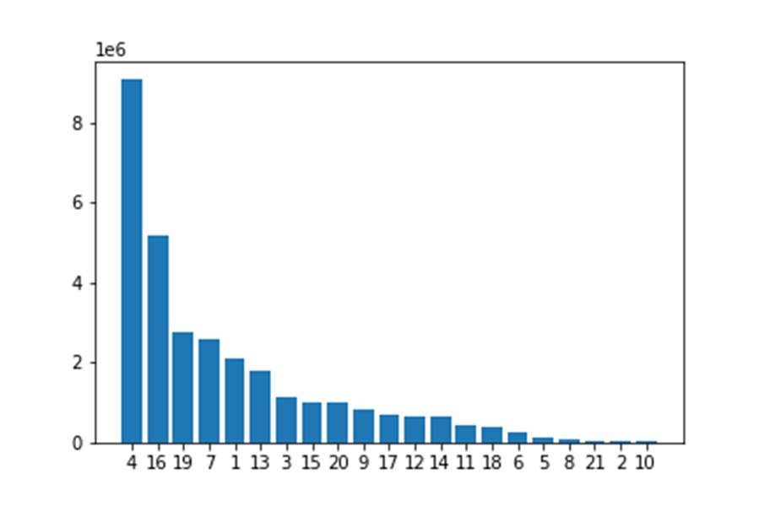 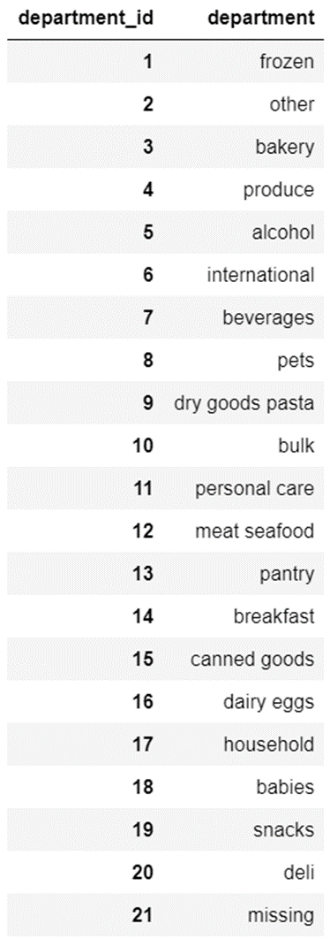
Average days since prior order by loyalty
Key Question 5.1 What’s the distribution among users in regards to their brand loyalty (i.e., how often do they return to Instacart)? | New customer and regular customer are still a considerable portion of the shop. We recommend increasing the frequency of contact with these customers, and we suggest providing reasons for customers to become repeaters, such as benefits to VIP members. | 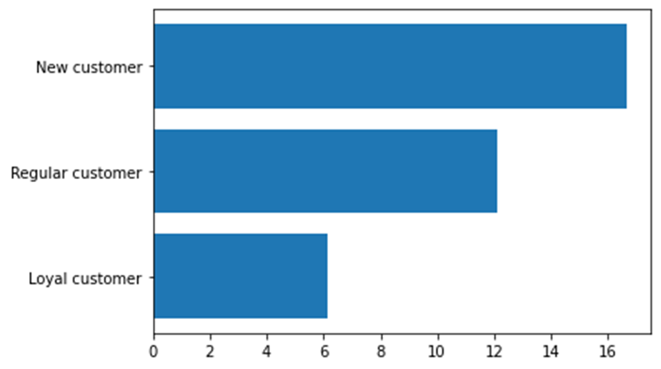 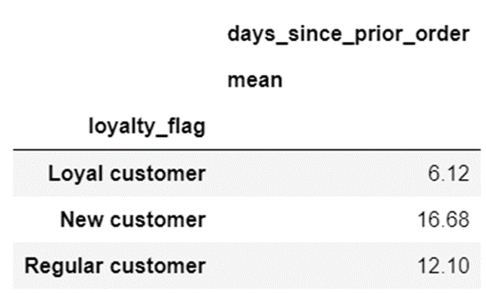
Number of day of week of placing order by loyalty customers
Key Question 5.2 Are there differences in ordering habits based on a customer’s loyalty status? | 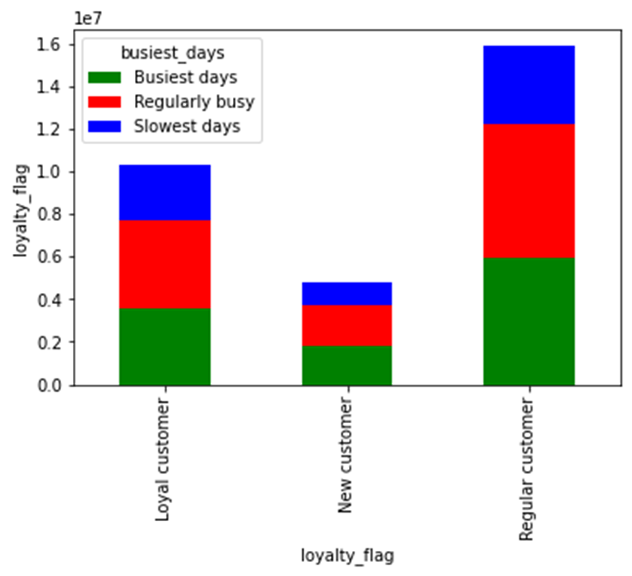 There is more order from a regular customer. Still, in terms of placing the order in a week, slightly loyal customers place orders on the slowest days instead of busy days, indicating that loyal customers have more flexible time than others. , as mentioned in question 1, we recommended promoting at a specific time to acquire new loyal customers.
Percentage of day of week of placing order by regions
Percentage of time of the day of placing order by regions
Key Question 5.3 Are there differences in ordering habits based on a customer’s region? | 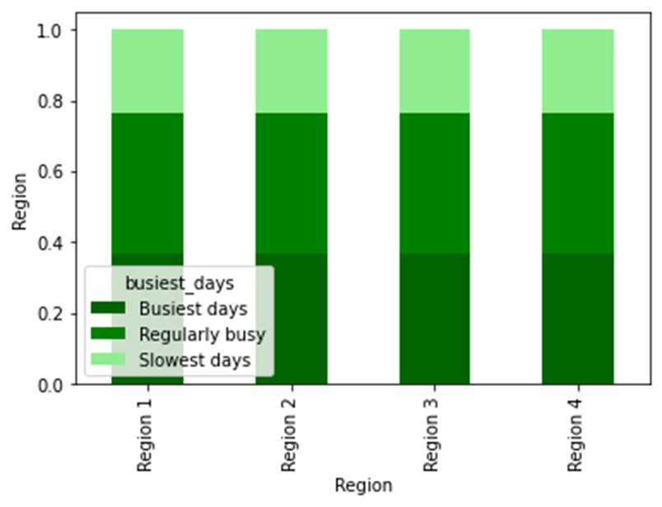 There is no difference between regions in term of ordering habits. We recommend that you promote sales regardless of region. | 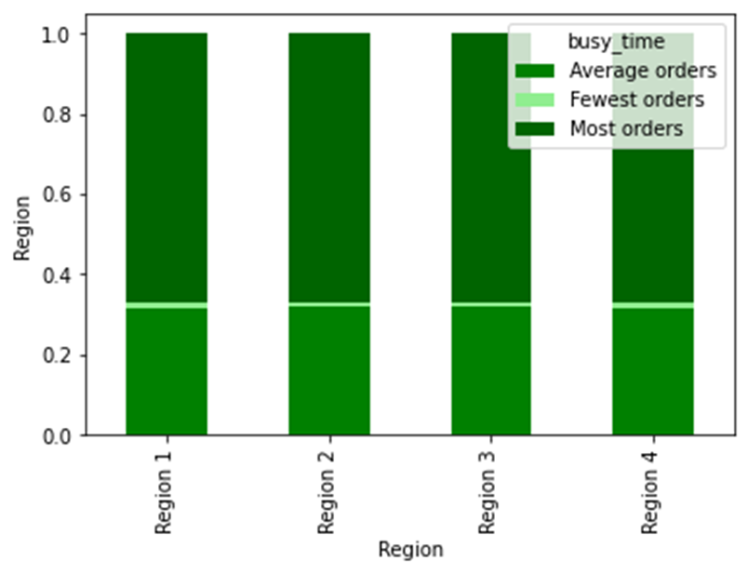
Percentage of time of the day of placing order by customer categories
Percentage of day of week of placing order by customer categories
Key Question 5.4 Is there a connection between age and family status in terms of ordering habits? | There was no difference in purchasing habits depending on age and family condition. We encourage you to promote to a wide range of people, regardless of age or family status. | 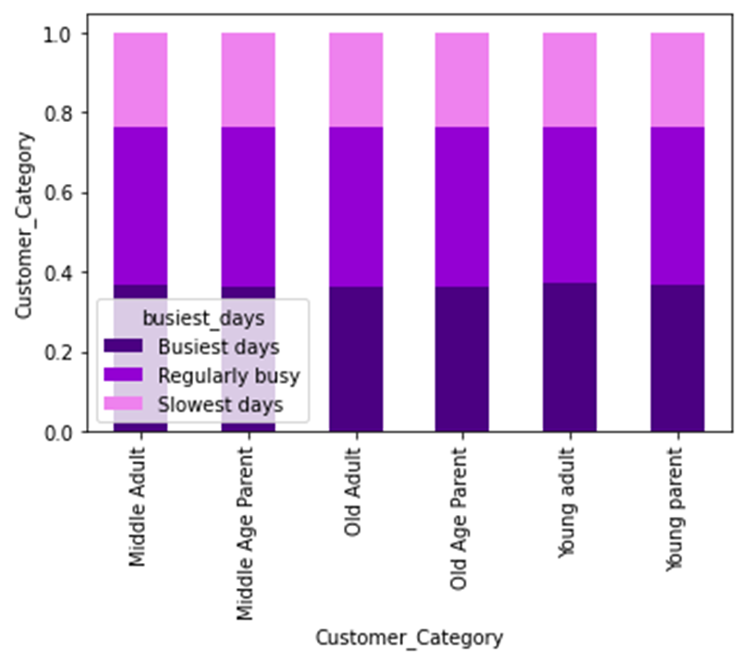 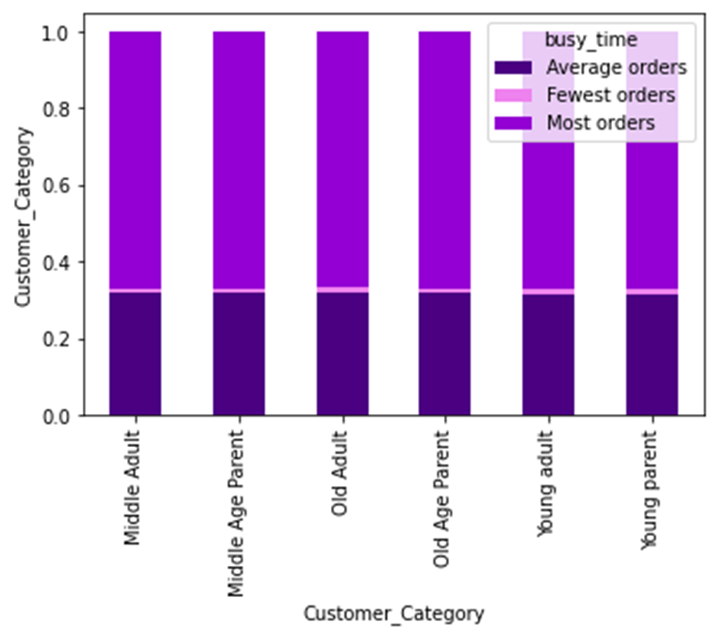
Percentage of customer category by region
The percentage of customer by income range by region
Key Question 5.5 What different classifications does the demographic information suggest? Age? Income? Certain types of goods? Family status? | Demographics show that it contains potential customers from areas with low customer numbers. The percentage of income range by region indicate the identical rate by region. Thus, we would recommend actively promote to regions with relatively few customers, such as Northwest. | 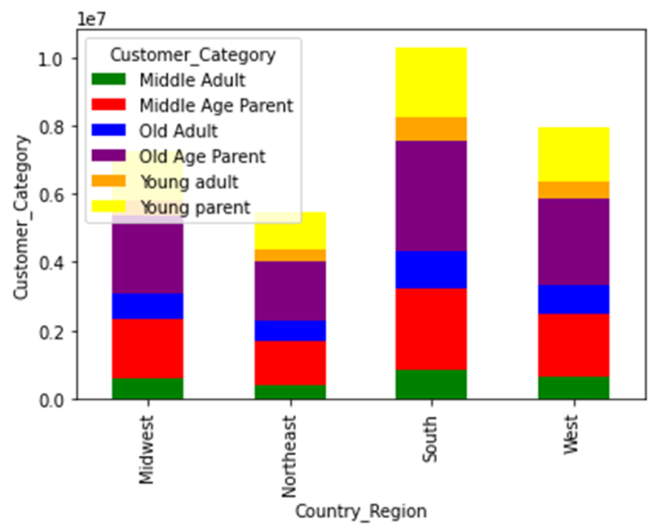 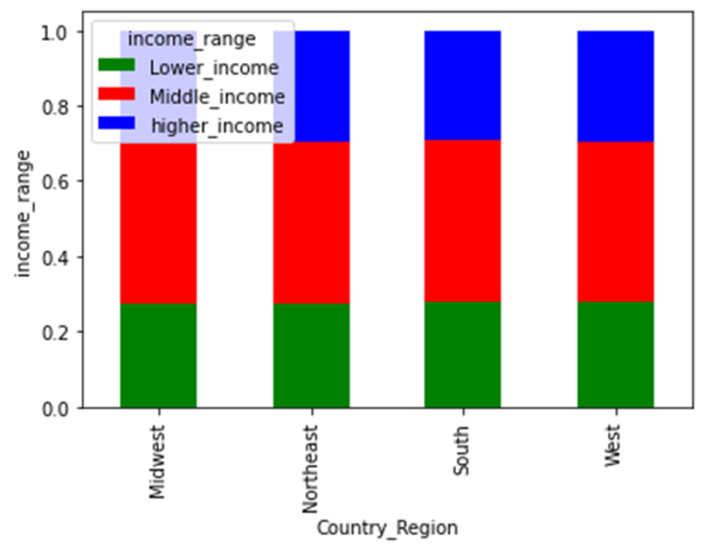
The percentage of the price range of purchased product by income range
Key Question 5.6 What differences can you find in ordering habits of different customer profiles? Consider the price of orders, the frequency of orders, the products customers are ordering, and anything else you can think of. | Compared to low-income and middle-income customers, middle-income customer demand more mid and higher range products. However, there is no significant difference in the product demand between Middle and well-paid customers. It means that there is potential demand for mid-range or higher range products from the well-paid customer. We recommend that promoting sales of high-priced products from mid-range products. | 